Information
Individual Fund Worksheets
Required: For preparation of budget ordinance.
Description: Revenue from all sources by type, appropriations by major category, beginning and ending fund balances, debt service payments and ending fund
balance as a percentage of annual appropriations.
Purpose: To aid in the preparation of the local government's budget ordinance.
Notes: ○ We have prepared several templates for you to use (see Red Tabs are governmental funds, Blue Tabs are proprietary funds, and Orange Tabs are the extra items in the ordinance).
Insert additional lines as necessary to accommodate your sources of revenue and major appropriation categories.
○ If you need additional worksheets to accommodate your government's funds, copy one of those provided into a new worksheet.
○ To insert into your budget ordinance, select the area of the worksheet you wish to copy, then copy and paste into the location of your budget ordinance (Word document) where you want the fund data to appear and paste as a picture. Center the picture so it will appear correctly in your Word document.
○ Blue Tabs: Municipalities that follow the Budget Law of 1982 are not required to appropriate moneys expended in proprietary funds in the budget ordinance. Cities with other charter types should contact their MTAS representative or their city attorney to determine applicability.
As a best practice though we recommend you utilize the budget resolution for proprietary funds found on our website (a resolution may be approved after one reading, making it distinct from an ordinance which requires multiple readings). The budget resolution provides necessary control and accountability by the governing body for proprietary fund budgets.
Please note that detailed budgets for proprietary funds are required to be submitted to LGF in your budget package.
○ If you need technical assistance, please contact your MTAS consultant or your LGF analyst.

Debt Chart A
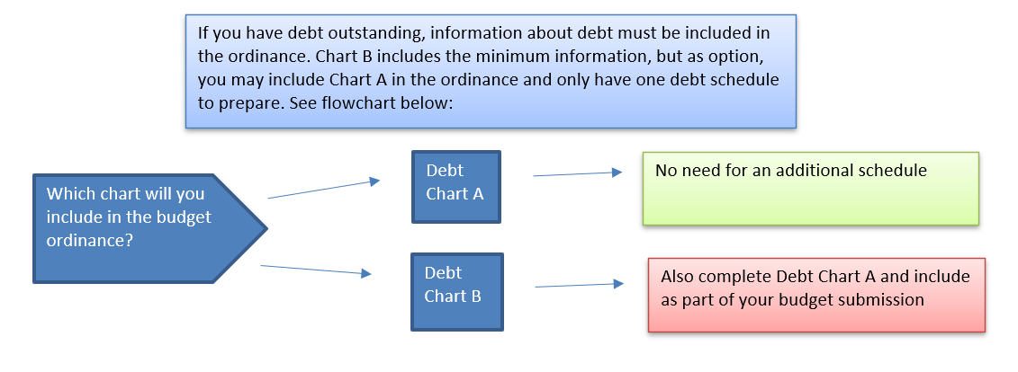
 | Sample Local Government
 | Schedule of Outstanding Debt and Budgeted Debt Service
 | Fiscal Year 202_
Note: Enter information in the unshaded cells.
 |  |  | Original Issuance Amount |  | Total |  |  |  | Detailed
 |  |  |  |  | Principal | Budgeted Annual Debt Service |  |  | Budget
 |  |  |  | Authorized & | Outstanding | Principal | Interest | Total | Page
Fund | Type of Debt | Loan Name and Description |  | Unissued | at June 30 |  |  |  | Number
General | Bonds |  |  |  |  |  |  | $-
 |  |  |  |  |  |  |  | -
 | Loan Agreements |  |  |  |  |  |  | -
 |  |  |  |  |  |  |  | -
 | Notes |  |  |  |  |  |  | -
 |  |  |  |  |  |  |  | -
 | Leases |  |  |  |  |  |  | -
 |  |  |  |  |  |  |  | -
 |  | Total | $- | $- | $- | $- | $- | $-

Sanitation | Bonds |  |  |  |  |  |  | $-
 |  |  |  |  |  |  |  | -
 | Loan Agreements |  |  |  |  |  |  | -
 |  |  |  |  |  |  |  | -
 | Notes |  |  |  |  |  |  | -
 |  |  |  |  |  |  |  | -
 | Leases |  |  |  |  |  |  | -
 |  |  |  |  |  |  |  | -
 |  | Total | $- | $- | $- | $- | $- | $-

Water and Sewer | Bonds |  |  |  |  |  |  | $-
 |  |  |  |  |  |  |  | -
 | Loan Agreements |  |  |  |  |  |  | -
 |  |  |  |  |  |  |  | -
 | Notes |  |  |  |  |  |  | -
 |  |  |  |  |  |  |  | -
 | Leases |  |  |  |  |  |  | -
 |  |  |  |  |  |  |  | -
 |  | Total | $- | $- | $- | $- | $- | $-

 | Total Outstanding Debt |  | $- | $- | $- | $- | $- | $-

Debt Chart B
If you have debt outstanding, information about debt must be included in the ordinance. Chart B includes the minimum information, but as option, you may include Chart A in the ordinance and only have one debt schedule to prepare. See flowchart below:
 |  | Principal | FY2025 | FY2025
Bonded or Other Indebtedness | Debt Authorized | Outstanding at | Principal | Interest
 | and Unissued | 2024-06-30 | Payment | Payment
Bonds -
[enter each series individually] | $- | $- | $- | $-

Which chart will you include in the budget ordinance?
Debt Chart A
No need for an additional schedule
Loan Agreements
[enter each series individually]

Debt Chart B
Also complete Debt Chart A and include as part of your budget submission
Notes -
[enter each series individually]

Leases
[enter each series individually]

